Input Instructions
Spreadsheets for Environmental Footprint Analysis (SEFA) Version 3.0, November 2019
U.S. Environmental Protection Agency (EPA), Office of Superfund Remediation and Technology Innovation

Input Instructions

1) Overview
The “Input” workbook is used for data entry of site and remedy information. The majority of this data is entered in the “Input” tabs. Additional information may be entered in the “Input Summary”, “Grid Electricity”, “User Defined Factors”, and “Well Material Calculator” tabs.
"Input" Tabs: The user enters information on transportation, materials, equipment, waste, and energy associated with the site and remedy on the "Input" tabs. The user may establish up to 14 "Input" tabs to reflect the site and remedy, and assigns each "Input" tab to one of the 6 Remedy Components. See the section “Adding and Aligning “Input” Tabs” below for information on setting up “Input” tabs, renaming the tabs, and assigning them to Remedy Components. See the “Detailed Notes and Explanations” tab for specifics on entering remedy data into the “Input” tabs.
"Input Summary" Tab: The column headings in the “Input Summary” tab (Row 6) must be updated by the user to reflect the tab names in the following situations: (a) if additional “Input” tabs are set up by the user (regardless of whether they are renamed); and (b) if “Input” tab names are customized or changed.
"Grid Electricity" Tab: If grid electricity is used at the site, the local fuel mix for the grid electricity should be added in this tab. See the instructions on the “Grid Electricity” tab for specifics on data entry for local fuel mix.
"User Defined Factors" Tab: If the remedy requires materials or off-site activities not provided in SEFA, you may add the materials or activities to SEFA. You should research and document the information, then enter it in the “User Defined Factors” tab. See the “User Defined Factors” tab for specifics on adding user defined factors.
"Well Material Calculator" Tab: Data entry is not required in this tab. The Well Material Calculator is provided as a convenience to the user. The Calculator uses a lookup table to calculate the amount of casing material, screen material, cement, and sand/gravel that would be required to build a well, based on specifications entered by the user. See the “Well Material Calculator” tab for specifics on the use of the Calculator.

2) Adding and Aligning "Input" Tabs
You may want to create additional “Input” tabs to help organize your data entry. When you create a new "Input" tab, you will typically want to align it with a Remedy Component. These steps are described below.
Creating Additional "Input" Tabs: To create a new “Input” tab, right-click the tab name of the "Input Template" tab, choose “move or copy”, check the box "create a copy" and then click "OK". You can leave the tab name alone after copying (such as “Input Template (2), Input Template (3)”, etc.), or you can rename each new “Input” tab by right-clicking on the tab, choosing “rename”, and typing the new name. If you rename an “Input” tab, you must also enter that new name on the “Input Summary” tab in the "Input" workbook, for the tab to be included in the footprint analysis. (See instructions below for the “Input Summary” tab for more information on this topic.)
Aligning the "Input" Tabs with the Remedy Components: Each “Input” tab can be considered a subcategory under one of the Remedy Components designated in the “General” tab of the “Main” workbook. In order for each “Input” tab to be included in the footprint analysis, the tab must be aligned with a Remedy Component. To align an “Input” tab, use the drop-down menu in Row 4 of the "Input" tab and choose the Remedy Component that the “Input” tab pertains to. You may select one of six Remedy Components or you may turn the selection "off" so that the tab is not aligned with a Remedy Component. The Remedy Component number will appear in Row 4 on the "Input Summary" tab. (If "off" is chosen, "0" will appear in Row 4.) An example of aligning “Input” tabs to the Remedy Components is illustrated in Item (7) below.
Additional Notes:
(a) You can create any number of “Input” tabs, but you may align a maximum of 14 “Input” tabs to the Remedy Components at any one time.
(b) You may group multiple “Input” tabs under the same Remedy Component.
(c) You may want to allow certain “Input” tabs to remain non-aligned with the Remedy Components in some cases. For example a non-aligned “Input” tab may be used for testing alternative designs or parameters for the remedy. The tab would be turned “off” when not included in the analysis, and would be re-aligned with a Remedy Component to be included in the analysis.
(d) You should reserve the unused (blank) “Input Template” tab, in the event that it becomes necessary to create additional “Input” tabs at a later time.
(e) You may delete an “Input” tab at any time by right-clicking on the tab and choosing “delete”. If an “Input” tab is deleted, you should also remove the name of that tab from the column headings in the “Input Summary” tab.
(f) You can reposition an “Input” tab by left-clicking on the tab and dragging it to the right or left. This will not affect the alignments made between the "Input" tabs and the Remedy Components.
(g) If you run out of space for entries in any of the tables in the "Input" tabs, you may create another "Input" tab to continue entries in the table. Be sure to align the new tab to the correct Remedy Component.

3) Setting Up the "Input Summary" Tab
The “Input Summary” tab displays a summary of 14 “Input” tabs (in Columns C - P) and 6 Remedy Components (in Columns Q - V). The grand total is displayed in Column W.
If you create a new “Input” tab or rename an existing “Input” tab, you must add the new name to the column headings in Row 6 of the “Input Summary” tab. This allows the “Input Summary” tab to collect data from the various “Input” tabs. For example, if you rename the “Input Template” tab, so that it is now called “Site Investigation”, you must also rename the corresponding column heading in Row 6 of the “Input Summary” tab. In this example, Cell C6 would be renamed “Site Investigation”. Additional notes:
(a) The Remedy Component Numbers in Row 4 of the “Input Summary” tab are automatically populated, based on the selections made in Row 4 of the “Input” tabs.
(b) Other than renaming the column headings with “Input” tab names (if necessary), no other data entry is required in the “Input Summary” tab.
(c) You may add the "Input" tab names in any order in Row 6 of the "Input Summary" tab. They need not reflect the order of the tabs in the "Input" workbook.
(d) Be sure to reflect the exact tab name in Row 6 of the "Input Summary" tab, in order for it to be recognized by SEFA.

4) Data Entry in the "Input Template" Tab
The “Input Template” tab contains a variety of data entry tables for flexibility to accommodate a wide range of remedy activities and configurations. You can by-pass any of the data entry tables, and use only those tables that are relevant to the site and remedy at hand. (See EPA's Methodology [www.cluin.org/greenremediation/methodology] for a protocol for screening out inputs that would make minimal contributions to the footprint totals.) Much of the data entry in the “Input Template” tab is self-explanatory. However, please see the “Detailed Notes and Explanations” tab in the "Input" workbook for specifics on the data entry tables in the “Input Template” tab.

5) Using the "Grid Electricity" Tab
On the “Grid Electricity” tab, you can define the fuel mix (mix of energy resources that is used to generate grid electricity) for grid electricity used at your site. SEFA uses this fuel mix to calculate the footprint from generation of the grid electricity. By default, the fuel mix in the “Grid Electricity” tab is set to the U.S. national average from 2016. You are strongly encouraged to change this to a regional or local fuel mix that is more representative of the grid electricity used by the remedy. Specifying the fuel mix from the local provider will often be important for accuracy of the footprint calculations, as the fuel mix can vary substantially at the national, regional, and local levels.
You can set a single fuel mix for all Remedy Components, or you can specify individual fuel mixes for each of the 6 Remedy Components. This allows for flexibility in the event that different grid electricity providers are used for different activities or areas at the site. Please see the “Grid Electricity” tab for specifics on how to set the fuel mix for your site.

6) Using the "User Defined Factors" Tab
SEFA is equipped with default footprint conversion factors for a variety of materials and activities. The conversion factors are used to estimate the amount of energy required for, and the amount of NOx, SOx, PM, HAPs, and greenhouse gas emissions related to, the off-site production of materials or activities. Additional conversion factors are used for energy and air emissions related to the combustion of fuels. These default conversion factors can be viewed in the “Default Conversions” tab of the “Calculations” workbook and are applied automatically in the “Calculations” workbooks.
In the “User Defined Factors” tab, SEFA provides flexibility in establishing conversion factors for materials and activities that are unique to the remedy or site. Unique conversion factors can be established for the following:
(a) Combustion of fuels (both renewable and “conventional”) for transportation and on-site equipment
(b) Off-site manufacturing or processing of materials
(c) Off-site management and recycling of wastes
In establishing these unique conversion factors, you should research and document the data, and enter it into the “User Defined Factors” tab. Once entered, SEFA will automatically apply the conversion factors in the “Calculations” workbook. Please see the “User Defined Factors” tab for specifics on establishing unique conversion factors.

7) Example of Aligning "Input" Tabs to Remedy Components
The diagram below illustrates the alignment of “Input” tabs to Remedy Components for a hypothetical site and remedy. In this example, the user renames Remedy Components 1 - 4, according to the four main aspects of the remedy, but does not need Remedy Components 5 and 6. The user makes copies of the blank “Input Template” tab as needed, names them, and links them to the Remedy Components. The user keeps the original blank copy of the “Input Template” tab in reserve in the event that additional copies are needed. The notes below the diagram provide additional explanations for creating, naming, and aligning the “Input” tabs in this example.
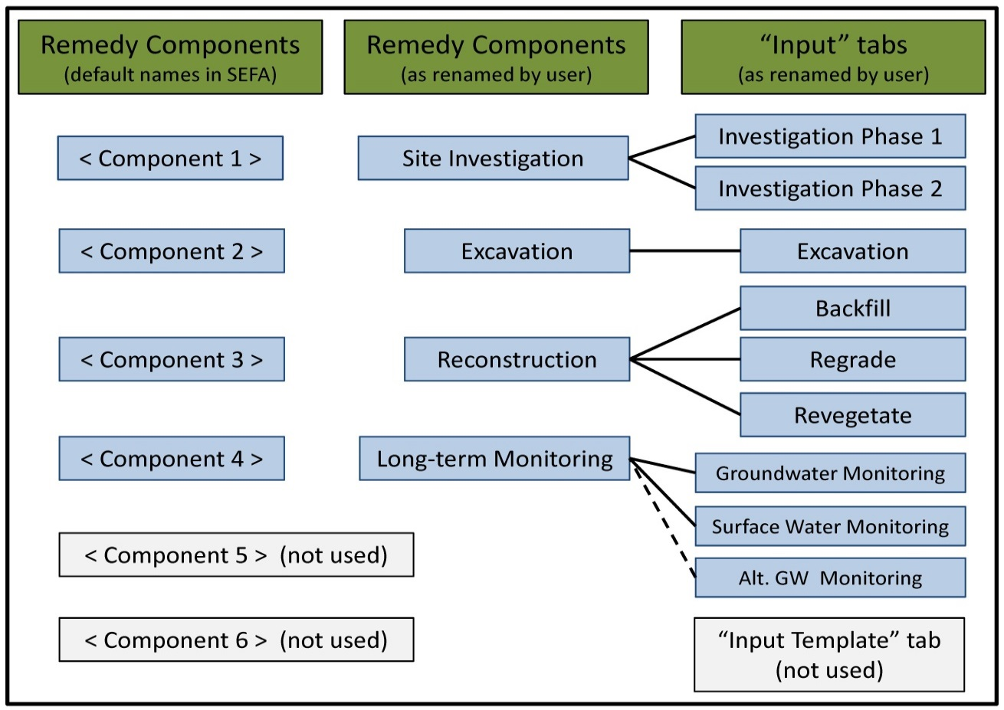

Notes:
(a) The user is interested in distinguishing between Phases 1 and 2 during Site Investigation because the Phases will occur six months apart. Therefore, the user creates two copies of the “Input Template” tab, names the copies accordingly, and aligns them with the “Site Investigation” remedy component.
(b) The user views the excavation activities as a single discrete event, and so creates one copy of the “Input Template” tab, names it accordingly, and links it with the “Excavation” remedy component.
(c) The user would like to better understand the footprints for three aspects of Reconstruction to determine which aspects to focus on for footprint reduction measures. Therefore, the user creates three copies of the “Input Template” tab, names the copies accordingly, and aligns them with the “Reconstruction” remedy component.
(d) The user is interested in tracking Groundwater Monitoring and Surface Water Monitoring separately, and so creates two copies of the “Input Template” tab, names the copies accordingly, and aligns them with the “Long-term Monitoring” remedy component.
(e) The user would like to test the environmental footprint from two groundwater monitoring regimes (which are equally effective for monitoring the site). Therefore, the user creates a copy of the “Input Template” tab for the alternative regime, and names it “Alt. GW Monitoring”. The user does not align this tab with the “Long-term Monitoring” remedy component, but keeps the tab turned “off”. When testing the alternative, the user will align the “Alt. GW Monitoring” with the “Long-term Monitoring” remedy component and will turn the original “Groundwater Monitoring” tab “off”.

